plniaca linka_mineralka
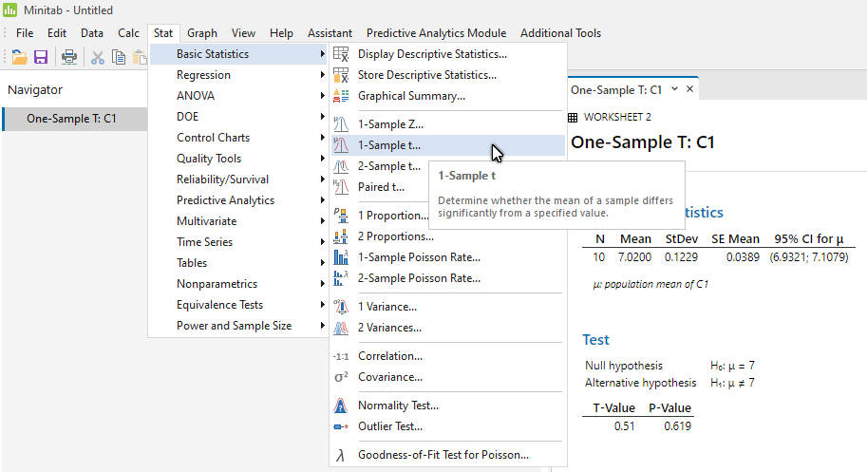

7.1 | Column1 |  | t0= | 0.51449575543
7 |  |  | t kv 9(0,025)= | -2.2621571628
6.9 | Mean | 7.02 | t kv 9(0,975)= | 2.2621571628
6.8 | Standard Error | 0.038873012632 | delta= | 0.087936863966
7.2 | Median | 7.05 | F(t0)= | 0.69034974498
7.1 | Mode | 7.1 | 1-F(z0)= | 0.30965025502
7.1 | Standard Deviation | 0.12292725943 | p= | 0.61930051004
6.9 | Sample Variance | 0.015111111111
7 | Kurtosis | -0.54359243697 | chi^2 ,0 = | 1.5111111111
7.1 | Skewness | -0.466559992 | chi^2, kv 9(0,05)= | 3.3251128431
 | Range | 0.4 | 95%IS pre sigma^2
 | Minimum | 6.8 | 0 | mineralka
 | Maximum | 7.2 | 95%IS pre sigma
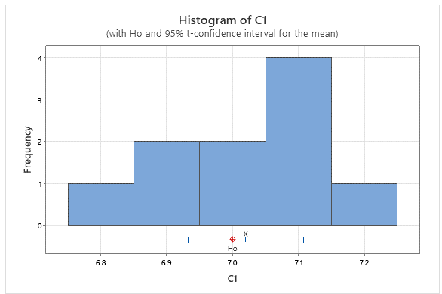
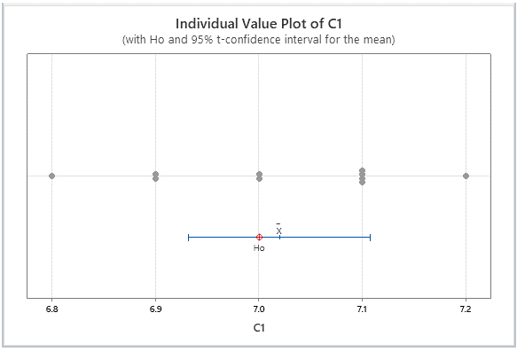
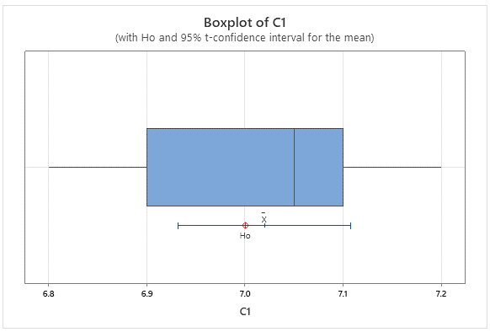
 | Sum | 70.2 | 0 | #VALUE!
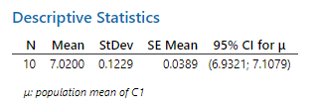
 | Count | 10 | F(chi ^2,0)= | 0.0029365014905
 | Confidence Level(95,0%) | 0.087936863966
 |  |  | 95%IS pre Mean
 |  |  | 6.932063136 | 7.107936864

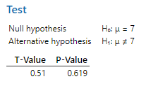

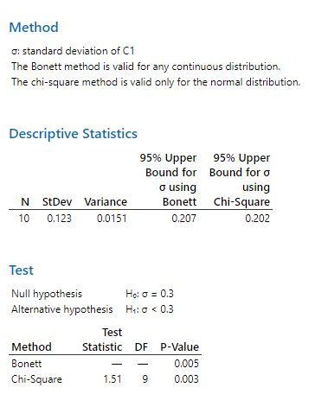

pneumatiky
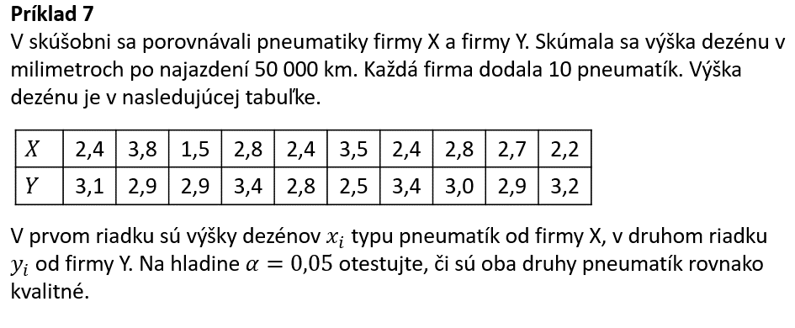

x | y | z=x-y | Column1 |  | t0= | -1.4478720845
2.4 | 3.1 | -0.7 |  |  | t kv 9(0,025)= | -2.2621571628
3.8 | 2.9 | 0.9 | Mean | -0.36 | t kv 9(0,975)= | 2.2621571628
1.5 | 2.9 | -1.4 | Standard Error | 0.24864074932 | delta= | 0.56246445204
2.8 | 3.4 | -0.6 | Median | -0.5 | F(t0)= | 0.090787522127
2.4 | 2.8 | -0.4 | Mode | -1 | 1-F(z0)= | 0.90921247787
3.5 | 2.5 | 1 | Standard Deviation | 0.78627108698 | p= | 0.18157504425
2.4 | 3.4 | -1 | Sample Variance | 0.61822222222
2.8 | 3 | -0.2 | Kurtosis | -0.076471480306 | 95%IS pre mi
2.7 | 2.9 | -0.2 | Skewness | 0.80622887008 | -0.92246445204 | 0.20246445204
2.2 | 3.2 | -1 | Range | 2.4
 |  |  | Minimum | -1.4
 |  |  | Maximum | 1
 |  |  | Sum | -3.6
 |  |  | Count | 10
 |  |  | Confidence Level(95,0%) | 0.56246445204

plniaca linka_motorovy olej
xi | 0.96 | 0.97 | 0.98 | 0.99 | 1 | 1.02 | 1.05
fi | 1 | 12 | 65 | 8 | 11 | 2 | 1 | 100
(xi-xpriem)^2 | 0.00053361 | 0.00017161 | 0.00000961 | 0.00004761 | 0.00028561 | 0.00136161 | 0.00447561

x priem= | 0.9831
s^2, 99 = | 0.0001407979798
t0= | -14.242574271 |  |  |  |  | chi^2,0= | 139.39
t kv 99(0,025)= | -1.9842169516 |  | t kv 99(0,05)= | -1.660391156 |  | chi^2,kv 99(0,95)= | 123.22522145
t kv 99(0,975)= | 1.9842169516
delta= | 0.0023544385898
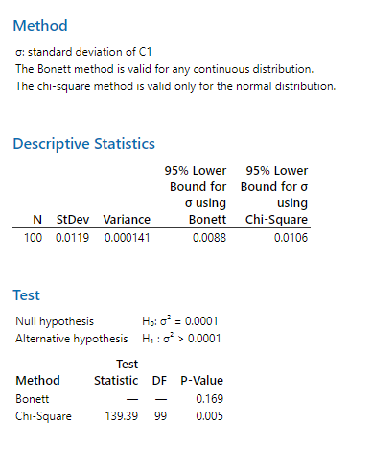
F(t0)= | 5.2534216096E-26 |  | p=F(t0)= | 5.2534216096E-26 |  | p=1-F(chi^2,0)= | 0.0046785703835
1-F(z0)= | 1
p= | 1.0506843219E-25

95%IS pre mi |  |  | 95%IS pre mi |  |  |  | 95%IS pre sigma^2
0.98074556141 | 0.98545443859 |  | - nekonecno | 0.98507019233 |  | 0.00011311807628 | nekonecno

